All
Index | start | end | label | lable2 | text
1 | 364 | 383 | Trigger (What) | Trigger | after engine start:
2 | 384 | 429 | Action (What) | Action | left and right isolation valve switches - off
3 | 384 | 423 | Action (Where) | Action | left and right isolation valve switches
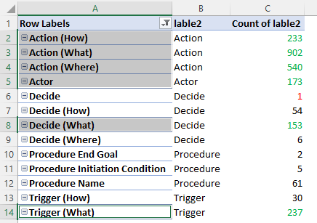
4 | 430 | 473 | Action (What) | Action | leave a pu running to supply air to pack 2
5 | 474 | 489 | Trigger (What) | Trigger | before takeoff:
6 | 490 | 527 | Action (What) | Action | packs 1 and 3 control selectors - off
7 | 490 | 521 | Action (Where) | Action | packs 1 and 3 control selectors
8 | 528 | 542 | Trigger (What) | Trigger | after takeoff:
9 | 543 | 582 | Action (What) | Action | pack control selector one only - norm
10 | 543 | 564 | Action (Where) | Action | pack control selector
11 | 583 | 637 | Trigger (What) | Trigger | a fter engine thrust is reduced from takeoff to climb
12 | 638 | 681 | Action (What) | Action | position one packcontrol selector to norm
13 | 647 | 672 | Action (Where) | Action | one packcontrol selector
14 | 682 | 727 | Action (What) | Action | pack control selector remaining pack - norm
15 | 682 | 703 | Action (Where) | Action | pack control selector
16 | 728 | 767 | Trigger (What) | Trigger | w then cabin pressurization stabilizes
17 | 768 | 817 | Action (What) | Action | position remaining pack controlselector to norm
18 | 787 | 808 | Action (Where) | Action | pack controlselector
19 | 818 | 862 | Action (What) | Action | left and right isolation valve switches - on
20 | 818 | 857 | Action (Where) | Action | left and right isolation valve switches
21 | 863 | 881 | Action (What) | Action | apu selector - off
22 | 863 | 875 | Action (Where) | Action | apu selector
24 | 915 | 962 | Trigger (What) | Trigger | before connecting ground air conditioning cart:
25 | 963 | 991 | Action (What) | Action | pack control selectors - off
26 | 963 | 985 | Action (Where) | Action | pack control selectors
27 | 1038 | 1071 | Action (What) | Action | recirculation fans switches - off
28 | 1038 | 1065 | Action (Where) | Action | recirculation fans switches
29 | 1118 | 1168 | Trigger (What) | Trigger | a fter disconnecting ground air conditioning cart:
...

